summary_stats_example
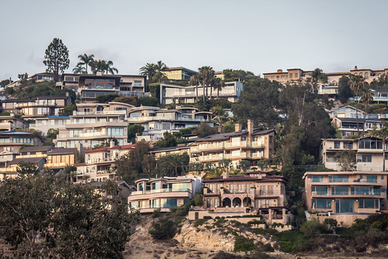
 |  |  |  |  |  |  |  | Data Analysis of Home Prices in California, 1990

Avg House Value by Ocean Proximity
data source: https://www.kaggle.com/datasets/camnugent/california-housing-prices

Data Definitions
Median Income: | Median income for households within a block (measured in thousands of USD)
Median House Value: | Median house value for households within a block
Median House Age: | Median age of a house within a block, lower value means a newer house
Total Bedrooms: | Total number of bedrooms within a block
Total Rooms: | Total number of rooms within a block
Households: | Total number of households (defined as a group of people residing within a home) in a block
Population: | Total number of individuals within a block

Key Findings:
Income and home value are correlated, maximum home value is capped at 500k within dataset
Median house values average higher in more coastal areas when compared to inland
Strong correlation between population, total rooms, total bedrooms and households as it indicates that homes are usually at capacity

Summary Statistics
 | Median Income | Median House Value | Median House Age | Total Bedrooms | Total rooms | Households
Mean | $38,706.71 | $206,855.82 | 29 | 538 | 2636 | 500 |  |  | Ocean Proximity | Average median_house_value
Standard Deviation | $18,997.76000 | $115,392.82 | 13 | 421 | 2182 | 382 |  |  | <1H OCEAN | $240,084
Minimum | $4,999.00 | $14,999.00 | 1 | 1 | 2 | 1 |  |  | INLAND | $124,805
Maximum | $150,001.00 | $500,001.00 | 52 | 6445 | 39320 | 6082 |  |  | ISLAND | $380,440
 |  |  |  |  |  |  |  |  | NEAR BAY | $259,212
 |  |  |  |  |  |  |  |  | NEAR OCEAN | $249,434
 |  |  |  |  |  |  |  |  | Overall Mean | $206,856
Correlation
House Values vs. Income (per 10k)
6.0574 | 431000
4.6458 | 217000
4.6146 | 247600
5.7192 | 283500
3.6832 | 216900
6.2073 | 282500
5.8151 | 295600
3.5714 | 300000
5 | 269700
4.3393 | 231200
4.1387 | 162500
4.8052 | 254000
4.6349 | 196200
3.168 | 189400
3.1326 | 220800
2.9074 | 213800
8.3996 | 442900
6.6478 | 333400
6.629 | 352400
6.2179 | 305300
5.761 | 259600
4.6641 | 248900
6.7599 | 356000
3.9909 | 236000
4.2955 | 218800
4.9615 | 228000
2.6198 | 235900
4.7135 | 203200
4.75 | 197000
5.4299 | 236400
4.6 | 223200
4.1947 | 222700
5.388 | 225000
3.9444 | 240100
5.3283 | 227900
4.8403 | 268600
5.1616 | 275100
4.1591 | 332400
5.8325 | 298900
5.0423 | 222200
4.5317 | 232600
5.4359 | 258300
5.0824 | 230900
5.2308 | 196900
4.4107 | 223500
5.2396 | 223900
4.7478 | 243500
8.4045 | 451100
9.7194 | 500001
5.1643 | 193100
...
 | housing_median_age | total_rooms | total_bedrooms | population | households | median_income | median_house_value
housing_median_age | 1
total_rooms | -0.36 | 1.00
total_bedrooms | -0.32 | 0.93 | 1.00
population | -0.30 | 0.86 | 0.88 | 1.00
households | -0.30 | 0.92 | 0.98 | 0.91 | 1.00
median_income | -0.12 | 0.20 | -0.01 | 0.00 | 0.01 | 1.00
median_house_value | 0.11 | 0.13 | 0.05 | -0.02 | 0.07 | 0.69 | 1

